pivot
Avg income per purchase

Average of Income | Column Labels
Row Labels | No | Yes | Grand Total
Female | 50,870 | 58,571 | 53,784
Male | 50,000 | 56,667 | 53,051
Grand Total | 50,364 | 57,317 | 53,333

costumer commute

Count of Purchased Bike | Column Labels
Row Labels | No | Yes | Grand Total
0-1 Miles | 8 | 6 | 14
1-2 Miles | 12 | 10 | 22
2-5 Miles | 7 | 6 | 13
5-10 Miles | 19 | 14 | 33
10 Miles + | 9 | 5 | 14
Grand Total | 55 | 41 | 96

Customer Age Brackets

Count of Purchased Bike | Column Labels
Row Labels | No | Yes | Grand Total
adolescent | 6 | 5 | 11
Middle age | 32 | 29 | 61
Old | 17 | 7 | 24
Grand Total | 55 | 41 | 96

Purchased Bikes Per Region

Count of Purchased Bike | Column Labels
Row Labels | No | Yes | Grand Total
Europe | 9 | 9 | 18
North America | 41 | 19 | 60
Pacific | 5 | 13 | 18
Grand Total | 55 | 41 | 96

dashboard
Bike Sales Dashboard

Avg income per purchase
 | No | Yes
Female | 50,870 | 58,571
Male | 50,000 | 56,667
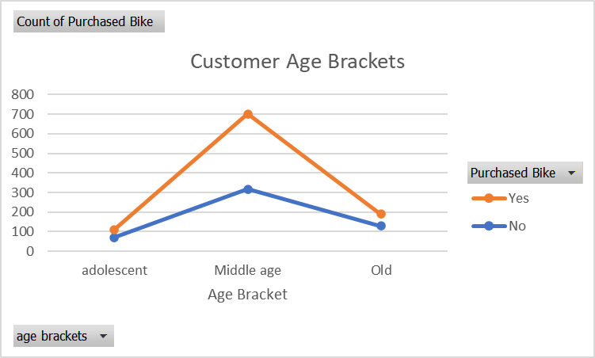
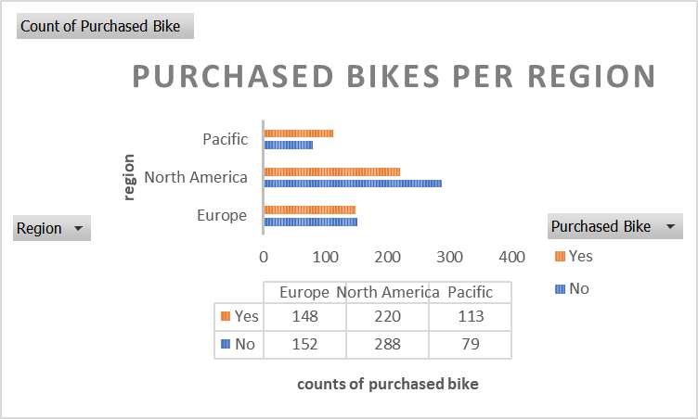

Customer Commute
 | No | Yes
0-1 Miles | 8 | 6
1-2 Miles | 12 | 10
2-5 Miles | 7 | 6
5-10 Miles | 19 | 14
10 Miles + | 9 | 5

